Sheet1
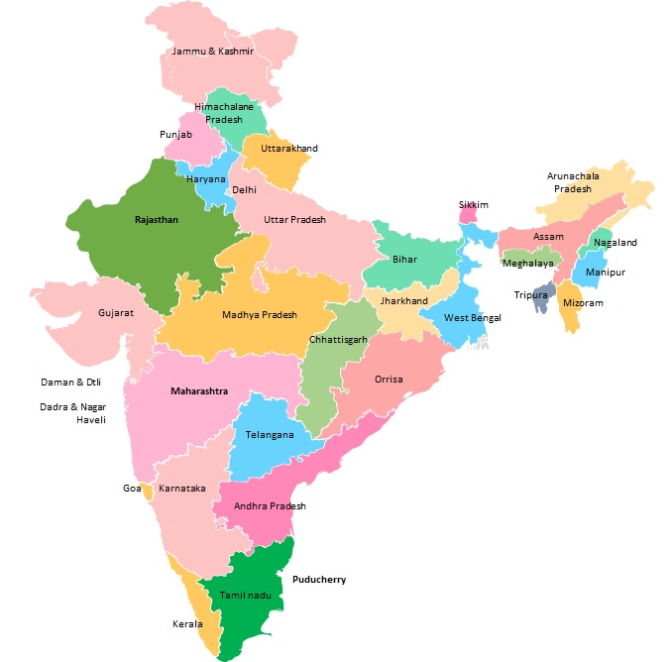
Sr No | Name | Surname | postion | Mobile no. | email kan-therm.com | city / Pin | Dokładny pin/adres biura
1 | Shailesh | Khamar | Managing Director India | +91 9820282913 | skhamar@kan-therm.com | Mumbai (Bombaj) | https://www.google.pl/maps/place/KAN-therm+India+-+Innovative+water+and+heating+solutions/@28.3007079,72.0828205,6z/data=!4m10!1m2!2m1!1skan-therm+india!3m6!1s0x390ce13fb85c3feb:0x6bf6ee876bd30b8e!8m2!3d19.1889675!4d72.8371697!15sCg9rYW4tdGhlcm0gaW5kaWGSAQxtYW51ZmFjdHVyZXLgAQA!16s%2Fg%2F11s2rkfsd8?entry=ttu
2 | Ashish | Kumar | Sales Director - North India | +91 9958898922 | akumar@kan-therm.com | Delhi
3 | Samrat | Sinha | Reginal Sales Manager - East India | +91 9830096361 | ssinha@kan-therm.com | Kolkata (Kalkuta)
4 | Bharat | Kumar | Reginal Sales Manager - South India | +91 9884067070 | bkumar@kan-therm.com | Bangalore
5 | Rajeev | Tiwari | Key Account Manager | +91 9769862888 | rtiwari@kan-therm.com | Pune
6 | Sumit | Parmar | Area Sales Manager | +91 9418401818 | sparmar@kan-therm.com | Chandigarh
7 | Ramesh | Adidravid | Regional Sales Manager | +91 9377577946 | radidravid@kan-therm.com | Ahmedabad
8 | Sunil | Sharma | Sr Area Sales Manager | +91 9887597790 | ssharma@kan-therm.com | Jaipur
9 | Nirmal | balaji | Area Sales Manager | +91 9555448928 | nbalaji@kan-therm.com | Delhi
10 | Satyabrata | Rout | Sr Area Sales Manager | +91 9818059848 | srout@kan-therm.com | Delhi
11 | Akash | Kesarwani | Account Manager |  | akesarwani@kan-therm.com | Mumbai (Bombaj) | https://www.google.pl/maps/place/KAN-therm+India+-+Innovative+water+and+heating+solutions/@28.3007079,72.0828205,6z/data=!4m10!1m2!2m1!1skan-therm+india!3m6!1s0x390ce13fb85c3feb:0x6bf6ee876bd30b8e!8m2!3d19.1889675!4d72.8371697!15sCg9rYW4tdGhlcm0gaW5kaWGSAQxtYW51ZmFjdHVyZXLgAQA!16s%2Fg%2F11s2rkfsd8?entry=ttu

